Problem 1
 | Tacoma | San Diego | Dallas | Denver | St Louis | Tampa | Baltimore | Prod. Cost
Atlanta | 2.50 | 2.75 | 1.75 | 2.00 | 2.10 | 1.80 | 1.65 | $35.50 |  | Obj | $2,720,200.00
Louisville | 1.85 | 1.90 | 1.50 | 1.60 | 1.00 | 1.90 | 1.85 | $37.50
Detroit | 2.30 | 2.25 | 1.85 | 1.25 | 1.50 | 2.25 | 2.00 | $37.25
Phoenix | 1.90 | 0.90 | 1.60 | 1.75 | 2.00 | 2.50 | 2.65 | $36.25
Demand | 5,500 | 11,500 | 10,500 | 9,600 | 15,400 | 12,500 | 6,600

 | Tacoma | San Diego | Dallas | Denver | St Louis | Tampa | Baltimore |  | From | In | Out | LHS |  | RHS
Atlanta | 0 | 0 | 0 | 0 | 0 | 12500 | 5500 |  | Atlanta | 0 | 18000 | -18000 | <= | -18000
Louisville | 0 | 0 | 0 | 0 | 15000 | 0 | 0 |  | Louisville | 0 | 15000 | -15000 | <= | -15000
Detroit | 0 | 0 | 7500 | 9600 | 400 | 0 | 1100 |  | Detroit | 0 | 18600 | -18600 | <= | -25000
Phoenix | 5500 | 11500 | 3000 | 0 | 0 | 0 | 0 |  | Phoenix | 0 | 20000 | -20000 | <= | -20000
 |  |  |  |  |  |  |  |  | Tacoma | 5500 | 0 | 5500 | >= | 5500
 |  |  |  |  |  |  |  |  | San Diego | 11500 | 0 | 11500 | >= | 11500
 |  |  |  |  |  |  |  |  | Dallas | 10500 | 0 | 10500 | >= | 10500
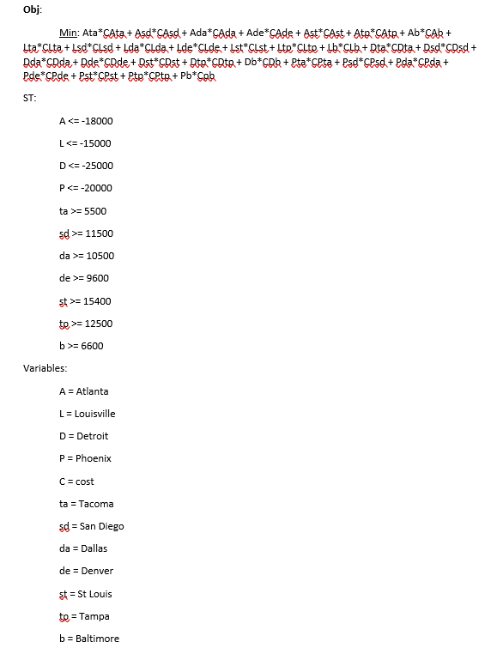
 |  |  |  |  |  |  |  |  | Denver | 9600 | 0 | 9600 | >= | 9600
 |  |  |  |  |  |  |  |  | St Louis | 15400 | 0 | 15400 | >= | 15400
 |  |  |  |  |  |  |  |  | Tampa | 12500 | 0 | 12500 | >= | 12500
 |  |  |  |  |  |  |  |  | Baltimore | 6600 | 0 | 6600 | >= | 6600

Problem 2
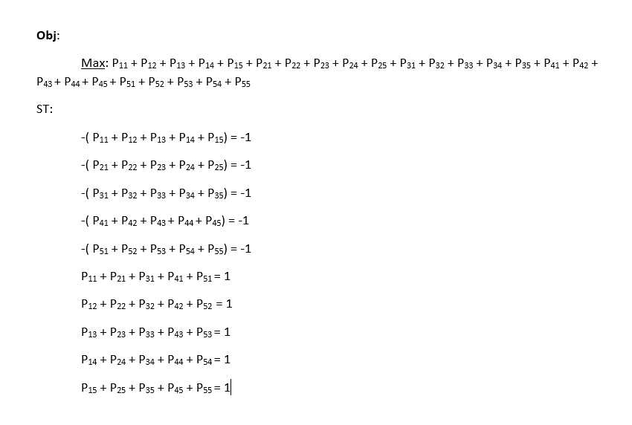
Programmer | 1 | 2 | 3 | 4 | 5
1 | 50 | 25 | 78 | 64 | 60 | Obj | 261
2 | 43 | 30 | 70 | 56 | 72
3 | 60 | 28 | 80 | 66 | 68
4 | 54 | 29 | 75 | 60 | 70
5 | 45 | 32 | 70 | 62 | 75

Programmer | 1 | 2 | 3 | 4 | 5 | Node | In | Out | LHS |  | RHS
1 | 0 | 0 | 0 | 0 | 1 | Prog. 1 | 0 | 1 | -1 | = | -1
2 | 1 | 0 | 0 | 0 | 0 | Prog. 2 | 0 | 1 | -1 | = | -1
3 | 0 | 1 | 0 | 0 | 0 | Prog. 3 | 0 | 1 | -1 | = | -1
4 | 0 | 0 | 0 | 1 | 0 | Prog. 4 | 0 | 1 | -1 | = | -1
5 | 0 | 0 | 1 | 0 | 0 | Prog. 5 | 0 | 1 | -1 | = | -1
 |  |  |  |  |  | 1 | 1 | 0 | 1 | = | 1
 |  |  |  |  |  | 2 | 1 | 0 | 1 | = | 1
 |  |  |  |  |  | 3 | 1 | 0 | 1 | = | 1
 |  |  |  |  |  | 4 | 1 | 0 | 1 | = | 1
 |  |  |  |  |  | 5 | 1 | 0 | 1 | = | 1

